
 |  |  |  | CODE: | PF02331BC-3 ab SN from 98K191
DESCRIPTION:
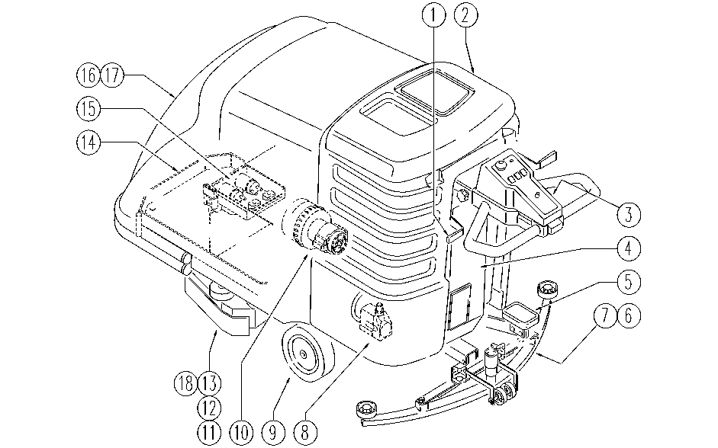

REF. | CODE | DESCRIPTION | QT
1 | PL1098 | SQUEEGEE LIFT
2 | PL1248 | TANK
3 | PL1252 | ELECTRIC UNIT 3
4 | PL1251 | ELECTRIC UNIT 2
5 | PL1246 | HEAD LIFT
6 | PL1253 | SQUEEGEE
7 | PL1099 | SQUEEGEE SUPPORT
8 | PL1017 | PUMP
9 | PL1244BC | DRIVE UNIT AND BRAKE
10 | PL1101BC | SUCTION
11 | PL1239 | HEAD 71 :AXLE PULLEY
12 | PL1240 | HEAD 71 :MOTOR
13 | PL1241 | HEAD 71 :FLAP AND BOX
14 | PL1245 | FRAME
15 | PL1250 | ELECTRIC UNIT 1
16 | PL1271BC | HOOD LIFTING
17 | PL1249BC | EXTERNAL PARTS
18 | PL1255 | BRUSHES
 | WD27057 | ELEC. WIRING DIAGRAM
 | WD27057-1 | ELEC. WIRING DIAGRAM

